작성 매뉴얼
기능 설명

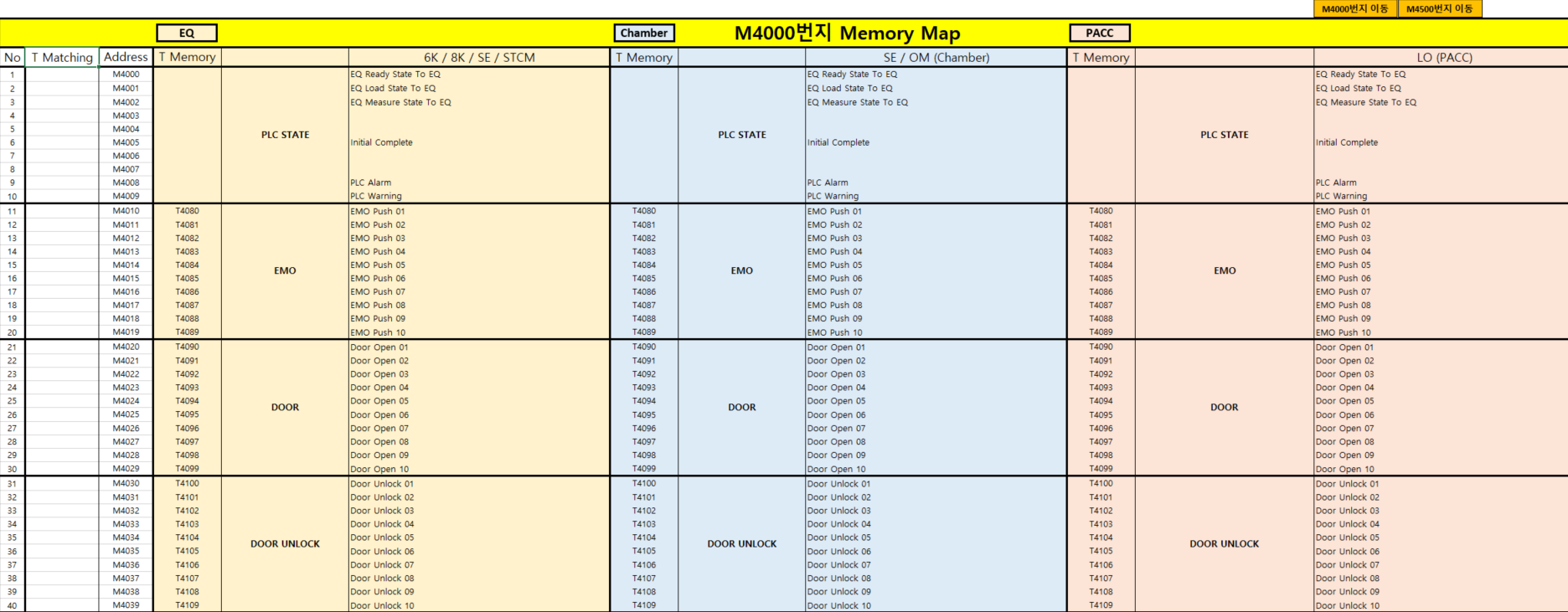
 |  |  |  |  |  | 해당 버튼을 눌러 M4000, M4500번지로 이동

 |  |  |  |  |  | 6K, 8K / Chamber / PACC
 |  |  |  |  |  | 순서로 양식이 있습니다.

 |  | 6K, 8K 설계 시 버튼을 눌러 전체 T번지 영역 선택하여 복사 | Chamber 설계 시 버튼을 눌러 전체 T번지 영역 선택하여 복사 | PACC 설계 시 버튼을 눌러 전체 T번지 영역 선택하여 복사

작성 순서

 | 1. 전장설계팀으로부터 I/O Map을 받으면 [1. IO 작성 Map] 시트에 붙여넣기 한다.
 | (해당영역에 I/O Comment 입력)
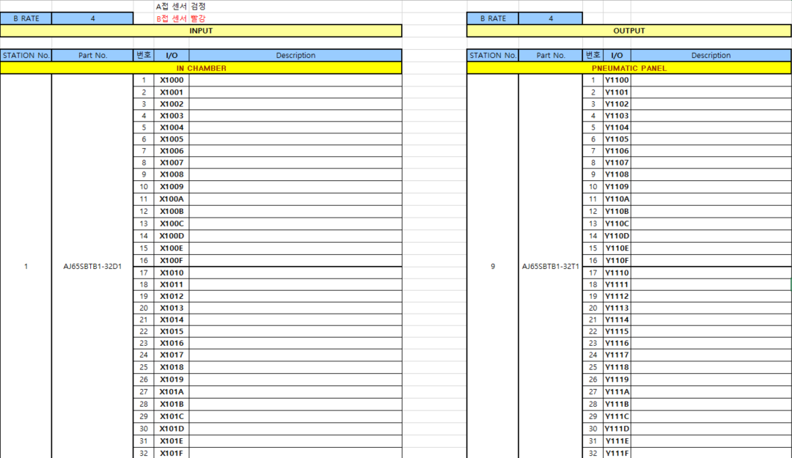

 | 2. [3. M-Memory Map] 시트에서 해당 설비의 양식을 제외한 다른 설비의 양식은 제거한다.
 | (아래 사진은 6K, 8K 설비를 할 경우 예시)
필요한 영역
불필요한 영역

 | 3. 상단바에 있는 [EQ] 버튼을 누르면, M4000~M4499번지에 해당하는 T영역이 선택이 됩니다.
 | 선택영역을 복사하여 [T Matching]영역에 붙여넣기 합니다.
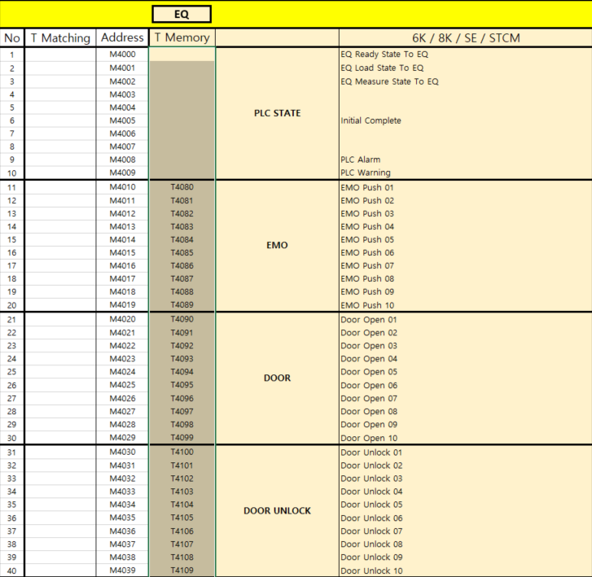
복사할 영역
붙여넣기 영역

 | 4. [2. T-Memory Map]에서 해당영역에 T번지를 매칭합니다.
 | (T4000~T4699: EQ, Chamber / T4700~T4999: PACC)
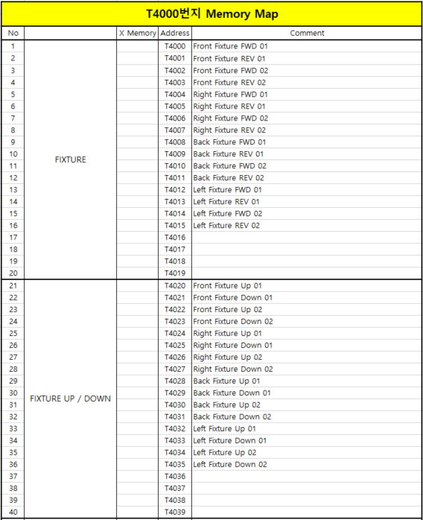
X Matching 영역

 | 5. [IO List Map]에서 Matching 검토를 합니다.
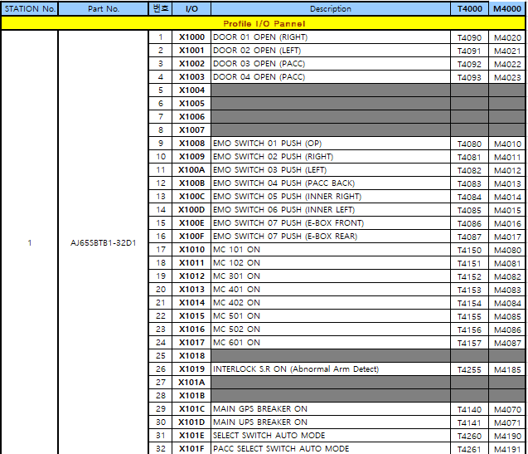
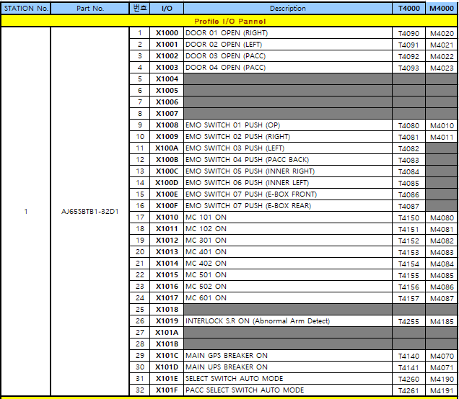
정상적인 매칭
비정상적인 매칭

 |  |  |  |  | 해당영역 Matching이 되어있지 않으므로 확인해야 한다.

상세 설명

 | # M번지를 공용으로 사용하는 영역
 | 공용으로 사용하는 영역의 경우 Title에 /로 나누어 표시했습니다.
 | Ex)
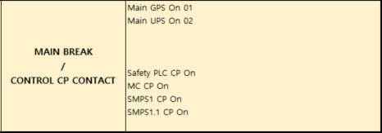
Main Break 영역
Control CP 영역

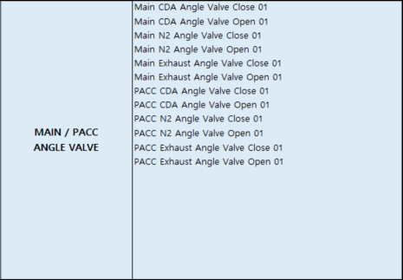

Main Angle Valve 영역

PACC Angle Valve 영역

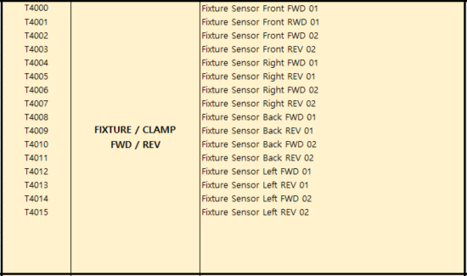
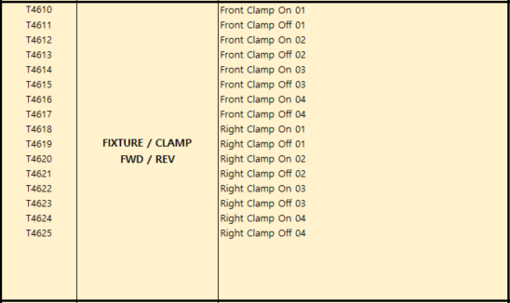

Fixture를 사용할 경우
Clamp를 사용할 경우

 | # 신규 I/O가 생겼을 경우
 | 해당 신규 I/O가 계속 설비에 사용된다면, Spare 공간에 추가를 하고 표준 Update를 해야합니다.
 | (일시적으로 사용할 경우 Spare 공간에 추가하여 사용하고 표준은 Update 하지않음)
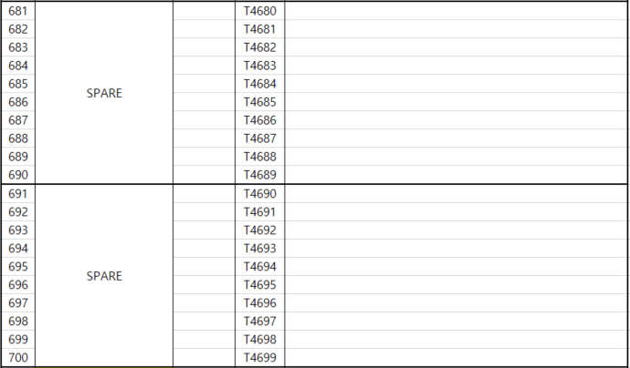
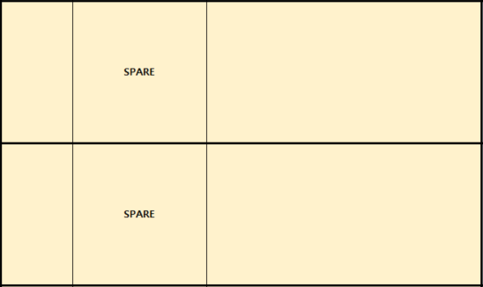

T번지 SPARE 예시
M번지 SPARE 예시

3. M-Memory Map
M4000번지 이동
M4500번지 이동
PACC
M4000번지 Memory Map
No | T Matching | Address | T Memory |  | LO (PACC)
1 |  | M4000 |  | PLC STATE | EQ Ready State To EQ
2 |  | M4001 |  |  | EQ Load State To EQ
3 |  | M4002 |  |  | EQ Measure State To EQ
4 |  | M4003
5 |  | M4004
6 |  | M4005 |  |  | Initial Complete
7 |  | M4006
8 |  | M4007
9 |  | M4008 |  |  | PLC Alarm
10 |  | M4009 |  |  | PLC Warning
11 | T4080 | M4010 | T4080 | EMO | EMO Push 01
12 | T4081 | M4011 | T4081 |  | EMO Push 02
13 | T4082 | M4012 | T4082 |  | EMO Push 03
14 | T4083 | M4013 | T4083 |  | EMO Push 04
15 | T4084 | M4014 | T4084 |  | EMO Push 05
16 | T4085 | M4015 | T4085 |  | EMO Push 06
17 | T4086 | M4016 | T4086 |  | EMO Push 07
18 | T4087 | M4017 | T4087 |  | EMO Push 08
19 | T4088 | M4018 | T4088 |  | EMO Push 09
20 | T4089 | M4019 | T4089 |  | EMO Push 10
21 | T4090 | M4020 | T4090 | DOOR | Door Open 01
22 | T4091 | M4021 | T4091 |  | Door Open 02
23 | T4092 | M4022 | T4092 |  | Door Open 03
24 | T4093 | M4023 | T4093 |  | Door Open 04
25 | T4094 | M4024 | T4094 |  | Door Open 05
26 | T4095 | M4025 | T4095 |  | Door Open 06
27 |  | M4026 | T4096 |  | Door Open 07
28 |  | M4027 | T4097 |  | Door Open 08
29 |  | M4028 | T4098 |  | Door Open 09
30 |  | M4029 | T4099 |  | Door Open 10
31 | T4100 | M4030 | T4100 | DOOR UNLOCK | Door Unlock 01
32 | T4101 | M4031 | T4101 |  | Door Unlock 02
33 | T4102 | M4032 | T4102 |  | Door Unlock 03
34 | T4103 | M4033 | T4103 |  | Door Unlock 04
35 | T4104 | M4034 | T4104 |  | Door Unlock 05
36 | T4105 | M4035 | T4105 |  | Door Unlock 06
37 |  | M4036 | T4106 |  | Door Unlock 07
38 |  | M4037 | T4107 |  | Door Unlock 08
39 |  | M4038 | T4108 |  | Door Unlock 09
40 |  | M4039 | T4109 |  | Door Unlock 10
41 | T4110 | M4040 | T4110 | DOOR KEY UNREMOVED | Door Key Unremoved 01
42 | T4111 | M4041 | T4111 |  | Door Key Unremoved 02
43 | T4112 | M4042 | T4112 |  | Door Key Unremoved 03
44 | T4113 | M4043 | T4113 |  | Door Key Unremoved 04
45 | T4114 | M4044 | T4114 |  | Door Key Unremoved 05
46 | T4115 | M4045 | T4115 |  | Door Key Unremoved 06
47 |  | M4046 | T4116 |  | Door Key Unremoved 07
48 |  | M4047 | T4117 |  | Door Key Unremoved 08
49 |  | M4048 | T4118 |  | Door Key Unremoved 09
50 |  | M4049 | T4119 |  | Door Key Unremoved 10
51 | T4850 | M4050 |  | UNIT Z-Axis Position (변경) | UZ0 PRE-AUTO CHANGE ARM CONTACT(UP)
52 | T4851 | M4051 |  |  | UZ0 AUTO CHANGE ARM CONTACT(CHANGE)
53 | T4852 | M4052 |  |  | UZ0 PRE-GLASS CONTACT(READY/HOME)
54 | T4853 | M4053 |  |  | UZ0 GLASS CONTACT(DOWN)
55 | T4854 | M4054 |  |  | UZ2 PRE-AUTO CHANGE ARM CONTACT(UP)
56 | T4855 | M4055 |  |  | UZ2 AUTO CHANGE ARM CONTACT(CHANGE)
57 | T4856 | M4056 |  |  | UZ2 PRE-GLASS CONTACT(READY/HOME)
58 | T4857 | M4057 |  |  | UZ2 GLASS CONTACT(DOWN)
59 | T4858 | M4058 |  |  | UZ4 PRE-AUTO CHANGE ARM CONTACT(UP)
60 | T4859 | M4059 |  |  | UZ4 AUTO CHANGE ARM CONTACT(CHANGE)
61 | T4860 | M4060 |  |  | UZ4 PRE-GLASS CONTACT(READY/HOME)
62 | T4861 | M4061 |  |  | UZ4 GLASS CONTACT(DOWN)
63 | T4862 | M4062 |  |  | UZ6 PRE-AUTO CHANGE ARM CONTACT(UP)
64 | T4863 | M4063 |  |  | UZ6 AUTO CHANGE ARM CONTACT(CHANGE)
65 | T4864 | M4064 |  |  | UZ6 PRE-GLASS CONTACT(READY/HOME)
66 | T4865 | M4065 |  |  | UZ6 GLASS CONTACT(HOME)
67 | T4866 | M4066 |  |  | UZ8 PRE-AUTO CHANGE ARM CONTACT(UP)
68 | T4867 | M4067 |  |  | UZ8 AUTO CHANGE ARM CONTACT(CHANGE)
69 | T4868 | M4068 |  |  | UZ8 PRE-GLASS CONTACT(READY/HOME)
70 | T4869 | M4069 |  |  | UZ8 GLASS CONTACT(DOWN)
71 | T4140 | M4070 | T4140 | MAIN BREAK / CONTROL CP CONTACT | Main GPS On 01
72 | T4141 | M4071 | T4141 |  | Main UPS On 02
73 | T4142 | M4072 | T4142 |  | Main GPS Circuit Breaker Trip
74 | T4143 | M4073 | T4143 |  | Main UPS Circuit Breaker Trip
75 | T4144 | M4074 | T4144 |  | 1s Drop Timer On
76 | T4145 | M4075 | T4145 |  | Safety PLC CP On
77 | T4146 | M4076 | T4146 |  | MC CP On
78 | T4147 | M4077 | T4147 |  | SMPS1 CP On
79 | T4148 | M4078 | T4148 |  | SMPS1.1 CP On
80 |  | M4079 | T4149
81 | T4150 | M4080 | T4150 | MC | MC On 01
82 | T4151 | M4081 | T4151 |  | MC On 02
83 | T4152 | M4082 | T4152 |  | MC On 03
84 | T4153 | M4083 | T4153 |  | MC On 04
85 | T4154 | M4084 | T4154 |  | MC On 05
86 | T4155 | M4085 | T4155 |  | MC On 06
87 | T4156 | M4086 | T4156 |  | MC On 07
88 | T4157 | M4087 | T4157 |  | MC Power On (EQ)
89 | T4158 | M4088 | T4158 |  | MC Power On (PACC)
90 | T4159 | M4089 | T4159 |  | X-Ray Power On
91 | T4160 | M4090 | T4160 | GLASS SENSOR | Lift Glass Sensor 01
92 |  | M4091 | T4161 |  | Lift Glass Sensor 02
93 |  | M4092 | T4162 |  | Lift Glass Sensor 03
94 |  | M4093 | T4163 |  | Lift Glass Sensor 04
95 |  | M4094
96 | T4165 | M4095 | T4165 |  | Sample Plate Glass Sensor 01
97 |  | M4096 | T4166 |  | Sample Plate Glass Sensor 02
98 |  | M4097 | T4167 |  | Sample Plate Glass Sensor 03
99 |  | M4098 | T4168 |  | Sample Plate Glass Sensor 04
100 |  | M4099
101 | T4570 | M4100 |  | BOX DOOR (변경) | E-BOX FRONT DOOR OPEN
102 | T4571 | M4101 |  |  | E-BOX REAR DOOR OPEN
103 | T4572 | M4102 |  |  | S-BOX FRONT DOOR OPEN
104 | T4573 | M4103 |  |  | S-BOX REAR DOOR OPEN
105 | T4574 | M4104 |  |  | PC-BOX FRONT DOOR OPEN
106 | T4575 | M4105 |  |  | PC-BOX REAR DOOR OPEN
107 | T4136 | M4106 |  |  | S-BOX GPS CIRCUIT BREAKER ON
108 | T4137 | M4107 |  |  | S-BOX UPS CIRCUIT BREAKER ON
109 | T4138 | M4108 |  |  | S-BOX GPS CIRCUIT BREAKER TRIP
110 | T4139 | M4109 |  |  | S-BOX UPS CIRCUIT BREAKER TRIP
111 | T4180 | M4110 | T4180 | IONIZER 01 | X-Ray Ionizer Remote On 01
112 | T4181 | M4111 | T4181 |  | X-Ray Ionizer Interlock On 01
113 | T4182 | M4112 | T4182 |  | X-Ray Ionizer Power On 01
114 | T4183 | M4113 | T4183 |  | X-Ray Ionizer OverTime 01
115 | T4184 | M4114 | T4184 |  | X-Ray Ionizer Abnormal 01
116 |  | M4115 | T4185 | IONIZER 02 | X-Ray Ionizer Remote On 02
117 |  | M4116 | T4186 |  | X-Ray Ionizer Interlock On 02
118 |  | M4117 | T4187 |  | X-Ray Ionizer Power On 02
119 |  | M4118 | T4188 |  | X-Ray Ionizer OverTime 02
120 |  | M4119 | T4189 |  | X-Ray Ionizer Abnormal 02
121 | T4190 | M4120 | T4190 | CDA | CDA Pressure 01
122 | T4191 | M4121 | T4191 |  | CDA Pressure 02
123 | T4192 | M4122 | T4192 |  | CDA Pressure 03
124 | T4193 | M4123 | T4193 |  | CDA Pressure 04
125 | T4194 | M4124 | T4194 |  | CDA Pressure 05
126 | T4195 | M4125 | T4195 |  | CDA Pressure 06
127 | T4196 | M4126 | T4196 |  | CDA Pressure 07
128 | T4197 | M4127 | T4197 |  | CDA Pressure 08
129 | T4198 | M4128 | T4198 |  | CDA Pressure 09
130 | T4199 | M4129 |  |  | CDA Pressure 10
131 | T4200 | M4130 | T4200 | N2 (임시 CDA 사용) | N2 Pressure 01
132 | T4201 | M4131 | T4201 |  | N2 Pressure 02
133 | T4202 | M4132 | T4202 |  | N2 Pressure 03
134 | T4203 | M4133 | T4203 |  | N2 Pressure 04
135 | T4204 | M4134 | T4204 |  | N2 Pressure 05
136 |  | M4135 | T4205 |  | N2 Pressure 06
137 |  | M4136 | T4206 |  | N2 Pressure 07
138 |  | M4137 | T4207 |  | N2 Pressure 08
139 |  | M4138 | T4208 |  | N2 Pressure 09
140 |  | M4139 | T4209 |  | N2 Pressure 10
141 | T4210 | M4140 | T4210 | VACUUM | Vacuum Pressure 01
142 | T4211 | M4141 | T4211 |  | Vacuum Pressure 02
143 |  | M4142 | T4212 |  | Vacuum Pressure 03
144 |  | M4143 | T4213 |  | Vacuum Pressure 04
145 |  | M4144 | T4214 |  | Vacuum Pressure 05
146 |  | M4145 | T4215 |  | Vacuum Pressure 06
147 |  | M4146 | T4216 |  | Vacuum Pressure 07
148 |  | M4147 | T4217 |  | Vacuum Pressure 08
149 |  | M4148 | T4218 |  | Vacuum Pressure 09
150 |  | M4149 | T4219 |  | Vacuum Pressure 10
151 | T4220 | M4150 | T4220 | SAMPLE PLATE VACUUM | Sample Plate Vacuum 01
152 |  | M4151 | T4221 |  | Sample Plate Vacuum 02
153 |  | M4152 | T4222 |  | Sample Plate Vacuum 03
154 |  | M4153 | T4223 |  | Sample Plate Vacuum 04
155 |  | M4154
156 |  | M4155
157 |  | M4156
158 |  | M4157
159 |  | M4158
160 |  | M4159
161 | T4230 | M4160 | T4230 | LIFT PIN / LP | Lift Pin Up
162 | T4231 | M4161 | T4231 |  | Lift Pin Down
163 |  | M4162 | T4232 |  | Lift Pin Up 02
164 |  | M4163 | T4233 |  | Lift Pin Down 02
165 |  | M4164
166 |  | M4165 | T4235 |  | Lift Pin Up Position Check 01
167 |  | M4166 | T4236 |  | Lift Pin Up Position Check 02
168 |  | M4167 | T4237 |  | Lift Pin Up Position Check 03
169 |  | M4168 | T4238 |  | Lift Pin Up Position Check 04
170 |  | M4169
171 | T4240 | M4170 | T4240 | UNLOAD SENSOR | X0 Unload Position
172 | T4241 | M4171 | T4241 |  | X2 Unload Position
173 | T4242 | M4172 | T4242 |  | Y0 Unload Position
174 | T4243 | M4173 | T4243 |  | Y1 Unload Position
175 | T4244 | M4174 | T4244 |  | Y2 Unload Position
176 | T4245 | M4175 | T4245 |  | Y3 Unload Position
177 | T4246 | M4176 | T4246 |  | Y4 Unload Position
178 |  | M4177 | T4247 |  | Y5 Unload Position
179 |  | M4178 | T4248 |  | Y6 Unload Position
180 |  | M4179 | T4249 |  | Y7 Unload Position
181 | T4250 | M4180 | T4250 | LOADER ARM DETECT | Loader Arm Detect 01
182 |  | M4181 | T4251
183 | T4252 | M4182 | T4252 |  | Light Curtain Muting Status
184 | T4253 | M4183 | T4253 |  | Muting S.R51 On
185 |  | M4184
186 | T4255 | M4185 | T4255 |  | Interlock S.R On 01 (Abnormal Arm Detect)
187 |  | M4186 | T4256 |  | Interlock S.R On 02 (Loader EMO Push)
188 |  | M4187 | T4257 |  | Interlock S.R On 03 (Loader EMO Line Forced Off By EQ)
189 |  | M4188
190 |  | M4189
191 | T4260 | M4190 | T4260 | RUN / TEACH SWITCH | Select Switch Auto Mode (EQ)
192 | T4261 | M4191 | T4261 |  | Select Switch Auto Mode (PACC)
193 |  | M4192
194 | T4263 | M4193 | T4263 |  | Sound Off Switch
195 |  | M4194
196 | T4265 | M4195 | T4265 |  | Inner Mode Key Switch Auto 01
197 | T4266 | M4196 | T4266 |  | Inner Mode Key Switch Auto 02
198 | T4267 | M4197 |  |  | Inner Mode Key Switch Auto 03
199 | T4268 | M4198 |  |  | Inner Mode Key Switch Auto 04
200 | T4269 | M4199 |  |  | Inner Mode Key Switch Auto 05
201 | T4280 | M4200 | T4280 | EFU / ESD | EFU Alarm 01
202 |  | M4201 | T4281 |  | EFU Alarm 02
203 |  | M4202
204 |  | M4203
205 |  | M4204
206 |  | M4205 | T4285 |  | ESD Alarm 01
207 |  | M4206 | T4286 |  | ESD Alarm 02
208 |  | M4207
209 |  | M4208
210 |  | M4209
211 | T4290 | M4210 | T4290 | TEMPERATURE SENSOR | Temperature Sensor 01
212 | T4291 | M4211 | T4291 |  | Temperature Sensor 02
213 | T4292 | M4212 | T4292 |  | Temperature Sensor 03
214 | T4293 | M4213 | T4293 |  | Temperature Sensor 04
215 | T4294 | M4214 | T4294 |  | Temperature Sensor 05
216 | T4295 | M4215 | T4295 |  | Temperature Sensor 06
217 | T4296 | M4216 | T4296 |  | Temperature Sensor 07
218 | T4297 | M4217 | T4297 |  | Temperature Sensor 08
219 | T4298 | M4218 | T4298 |  | Temperature Sensor 09
220 | T4299 | M4219 | T4299 |  | Temperature Sensor 10
221 | T4300 | M4220 | T4300 | SMOKE SENSOR | Smoke Sensor 01
222 | T4301 | M4221 | T4301 |  | Smoke Sensor 02
223 | T4302 | M4222 | T4302 |  | Smoke Sensor 03
224 | T4303 | M4223 | T4303 |  | Smoke Sensor 04
225 | T4304 | M4224 | T4304 |  | Smoke Sensor 05
226 | T4305 | M4225 | T4305 |  | Smoke Sensor 06
227 | T4306 | M4226 | T4306 |  | Smoke Sensor 07
228 | T4307 | M4227 | T4307 |  | Smoke Sensor 08
229 | T4308 | M4228 | T4308 |  | Smoke Sensor 09
230 | T4309 | M4229 | T4309 |  | Smoke Sensor 10
231 | T4310 | M4230 | T4310 | FAN | E-Box Fan 01 On
232 | T4311 | M4231 | T4311 |  | E-Box Fan 02 On
233 | T4312 | M4232 | T4312 |  | E-Box Fan 03 On
234 | T4313 | M4233 | T4313 |  | E-Box Fan 04 On
235 | T4314 | M4234 | T4314 |  | E-Box Fan 05 On
236 | T4315 | M4235 | T4315 |  | E-Box Fan 06 On
237 | T4316 | M4236 | T4316 |  | E-Box Fan 07 On
238 | T4317 | M4237 | T4317 |  | E-Box Fan 08 On
239 | T4318 | M4238 | T4318 |  | E-Box Fan 09 On
240 | T4319 | M4239 | T4319 |  | E-Box Fan 10 On
241 | T4320 | M4240 | T4320 |  | E-Box Fan 11 On
242 | T4321 | M4241 | T4321 |  | E-Box Fan 12 On
243 | T4322 | M4242 | T4322 |  | E-Box Fan 13 On
244 | T4323 | M4243 | T4323 |  | E-Box Fan 14 On
245 |  | M4244 | T4324 |  | E-Box Fan 15 On
246 |  | M4245 | T4325 |  | E-Box Fan 16 On
247 | T4326 | M4246 | T4326 |  | PC E-Box Fan 01 On
248 | T4327 | M4247 | T4327 |  | PC E-Box Fan 02 On
249 | T4328 | M4248 | T4328 |  | PC E-Box Fan 03 On
250 | T4329 | M4249 | T4329 |  | PC E-Box Fan 04 On
251 | T4330 | M4250 | T4330 | ISOLATOR SENSOR (Normal Close / B접) | Isolator 01 Position Sensor
252 | T4331 | M4251 | T4331 |  | Isolator 02 Position Sensor
253 | T4332 | M4252 | T4332 |  | Isolator 03 Position Sensor
254 | T4333 | M4253 | T4333 |  | Isolator 04 Position Sensor
255 |  | M4254
256 | T4335 | M4255 |  | 추가 IO (변경) | Temperature Sensor 11
257 | T4336 | M4256 |  |  | Temperature Alarm Reset Switch 11
258 |  | M4257
259 |  | M4258
260 | T4339 | M4259 |  |  | Smoke Sensor 11
261 | T4470 | M4260 |  | TEMPERATURE Alarm Reset SW (변경) | Temperature Alarm Reset Switch 01
262 | T4471 | M4261 |  |  | Temperature Alarm Reset Switch 02
263 | T4472 | M4262 |  |  | Temperature Alarm Reset Switch 03
264 | T4473 | M4263 |  |  | Temperature Alarm Reset Switch 04
265 | T4474 | M4264 |  |  | Temperature Alarm Reset Switch 05
266 | T4475 | M4265 |  |  | Temperature Alarm Reset Switch 06
267 | T4476 | M4266 |  |  | Temperature Alarm Reset Switch 07
268 | T4477 | M4267 |  |  | Temperature Alarm Reset Switch 08
269 | T4478 | M4268 |  |  | Temperature Alarm Reset Switch 09
270 | T4479 | M4269 |  |  | Temperature Alarm Reset Switch 10
271 | T4370 | M4270 | T4370 | HOT LINE (PIO) | Reserved
272 | T4371 | M4271 | T4371 |  | Reserved
273 | T4372 | M4272 | T4372 |  | Reserved
274 | T4373 | M4273 | T4373 |  | Reserved
275 | T4374 | M4274 | T4374 |  | Reserved
276 | T4375 | M4275 | T4375 |  | Reserved
277 | T4376 | M4276 | T4376 |  | Reserved
278 | T4377 | M4277 | T4377 |  | Reserved
279 |  | M4278 | T4378 |  | Loader EMO 01
280 |  | M4279 | T4379 |  | Loader EMO 02
281 | T4450 | M4280 | T4450 | SHUTTER | Shutter Close
282 | T4451 | M4281 | T4451 |  | Shutter Open
283 | T4452 | M4282
284 |  | M4283
285 |  | M4284
286 | T4480 | M4285 |  | GRIP (변경) | Enable GRIP Switch 01
287 |  | M4286
288 |  | M4287
289 |  | M4288
290 |  | M4289
291 | T4880 | M4290 |  | UNIT Z-Axis Probe Card Check (변경) | UZ0 PROBE CARD CHECK 01 (LEFT)
292 | T4881 | M4291 |  |  | UZ0 PROBE CARD CHECK 02 (LEFT)
293 | T4882 | M4292 |  |  | UZ0 PROBE CARD CHECK 03 (RIGHT)
294 | T4883 | M4293 |  |  | UZ0 PROBE CARD CHECK 04 (RIGHT)
295 | T4884 | M4294 |  |  | UZ2 PROBE CARD CHECK 01 (LEFT)
296 | T4885 | M4295 |  |  | UZ2 PROBE CARD CHECK 02 (LEFT)
297 | T4886 | M4296 |  |  | UZ2 PROBE CARD CHECK 03 (RIGHT)
298 | T4887 | M4297 |  |  | UZ2 PROBE CARD CHECK 04 (RIGHT)
299 | T4888 | M4298 |  |  | UZ4 PROBE CARD CHECK 01 (LEFT)
300 | T4889 | M4299 |  |  | UZ4 PROBE CARD CHECK 02 (LEFT)
301 | T4890 | M4300 |  |  | UZ4 PROBE CARD CHECK 03 (RIGHT)
302 | T4891 | M4301 |  |  | UZ4 PROBE CARD CHECK 04 (RIGHT)
303 | T4892 | M4302 |  |  | UZ6 PROBE CARD CHECK 01 (LEFT)
304 | T4893 | M4303 |  |  | UZ6 PROBE CARD CHECK 02 (LEFT)
305 | T4894 | M4304 |  |  | UZ6 PROBE CARD CHECK 03 (RIGHT)
306 | T4895 | M4305 |  |  | UZ6 PROBE CARD CHECK 04 (RIGHT)
307 | T4896 | M4306 |  |  | UZ8 PROBE CARD CHECK 01 (LEFT)
308 | T4897 | M4307 |  |  | UZ8 PROBE CARD CHECK 02 (LEFT)
309 | T4898 | M4308 |  |  | UZ8 PROBE CARD CHECK 03 (RIGHT)
310 | T4899 | M4309 |  |  | UZ8 PROBE CARD CHECK 04 (RIGHT)
311 | T4810 | M4310 | T4810 | MAIN EQ GATE VALVE | Main Gate Valve Close 01
312 | T4811 | M4311 | T4811 |  | Main Gate Valve Open 01
313 | T4812 | M4312 | T4812 |  | Main Gate Valve Close 02
314 | T4813 | M4313 | T4813 |  | Main Gate Valve Open 02
315 |  | M4314 | T4814 |  | Main Gate Valve Push
316 |  | M4315 | T4815 |  | Main Gate Valve Pull
317 |  | M4316 | T4816 |  | Main Gate Valve Lock 01
318 |  | M4317 | T4817 |  | Main Gate Valve Unlock01
319 |  | M4318 | T4818 |  | Main Gate Valve Lock 02
320 |  | M4319 | T4819 |  | Main Gate Valve Unlock02
321 |  | M4320 | T4820 |  | Main Gate Valve Lock 03
322 |  | M4321 | T4821 |  | Main Gate Valve Unlock03
323 |  | M4322 | T4822 |  | Main Gate Valve Lock 04
324 |  | M4323 | T4823 |  | Main Gate Valve Unlock04
325 |  | M4324
326 |  | M4325
327 |  | M4326
328 |  | M4327
329 |  | M4328
330 |  | M4329
331 | T4830 | M4330 | T4830 | PROBE Card Zero Position | Probe Card Zero Position Unlock 01
332 | T4831 | M4331 | T4831 |  | Probe Card Zero Position Unlock 02
333 | T4832 | M4332 | T4832 |  | Probe Card Zero Position Unlock 03
334 | T4833 | M4333 | T4833 |  | Probe Card Zero Position Unlock 04
335 | T4834 | M4334 | T4834 |  | Probe Card Zero Position Unlock 05
336 |  | M4335 | T4835 |  | Probe Card Zero Position Unlock 06
337 |  | M4336 | T4836 |  | Probe Card Zero Position Unlock 07
338 |  | M4337 | T4837 |  | Probe Card Zero Position Unlock 08
339 |  | M4338 | T4838 |  | Probe Card Zero Position Unlock 09
340 |  | M4339 | T4839 |  | Probe Card Zero Position Unlock 10
341 | T4870 | M4340 |  | PROBE Auto Change Axis Position | X3 Up Position
342 | T4871 | M4341 |  |  | X3 Down Position
343 | T4842 | M4342 | T4842 |  | X3 Put/Get Pos.(From/To UNIT Z)
344 | T4843 | M4343 | T4843 |  | X3 Put/Get Pos.(From/To PACC)
345 |  | M4344
346 | T4872 | M4345 |  |  | X4 Up Position
347 | T4873 | M4346 |  |  | X4 Down Position
348 | T4847 | M4347 | T4847 |  | X4 Put/Get Pos.(From/To UNIT Z)
349 | T4848 | M4348 | T4848 |  | X4 Put/Get Pos.(From/To PACC)
350 |  | M4349
351 | T4900 | M4350 |  | Probe Card PCB Lock Check (변경) | PROBE GANTRY 1 PROBE CARD PCB LOCK 01 CHECK (LEFT)
352 | T4901 | M4351 |  |  | PROBE GANTRY 1 PROBE CARD PCB UNLOCK 01 CHECK (LEFT)
353 | T4902 | M4352 |  |  | PROBE GANTRY 1 PROBE CARD PCB LOCK 02 CHECK (RIGHT)
354 | T4903 | M4353 |  |  | PROBE GANTRY 1 PROBE CARD PCB UNLOCK 02 CHECK (RIGHT)
355 | T4904 | M4354 |  |  | PROBE GANTRY 2 PROBE CARD PCB LOCK 01 CHECK (LEFT)
356 | T4905 | M4355 |  |  | PROBE GANTRY 2 PROBE CARD PCB UNLOCK 01 CHECK (LEFT)
357 | T4906 | M4356 |  |  | PROBE GANTRY 2 PROBE CARD PCB LOCK 02 CHECK (RIGHT)
358 | T4907 | M4357 |  |  | PROBE GANTRY 2 PROBE CARD PCB UNLOCK 02 CHECK (RIGHT)
359 | T4908 | M4358 |  |  | PROBE GANTRY 3 PROBE CARD PCB LOCK 01 CHECK (LEFT)
360 | T4909 | M4359 |  |  | PROBE GANTRY 3 PROBE CARD PCB UNLOCK 01 CHECK (LEFT)
361 | T4910 | M4360 |  |  | PROBE GANTRY 3 PROBE CARD PCB LOCK 02 CHECK (RIGHT)
362 | T4911 | M4361 |  |  | PROBE GANTRY 3 PROBE CARD PCB UNLOCK 02 CHECK (RIGHT)
363 | T4912 | M4362 |  |  | PROBE GANTRY 4 PROBE CARD PCB LOCK 01 CHECK (LEFT)
364 | T4913 | M4363 |  |  | PROBE GANTRY 4 PROBE CARD PCB UNLOCK 01 CHECK (LEFT)
365 | T4914 | M4364 |  |  | PROBE GANTRY 4 PROBE CARD PCB LOCK 02 CHECK (RIGHT)
366 | T4915 | M4365 |  |  | PROBE GANTRY 4 PROBE CARD PCB UNLOCK 02 CHECK (RIGHT)
367 | T4916 | M4366 |  |  | PROBE GANTRY 5 PROBE CARD PCB LOCK 01 CHECK (LEFT)
368 | T4917 | M4367 |  |  | PROBE GANTRY 5 PROBE CARD PCB UNLOCK 01 CHECK (LEFT)
369 | T4918 | M4368 |  |  | PROBE GANTRY 5 PROBE CARD PCB LOCK 02 CHECK (RIGHT)
370 | T4919 | M4369 |  |  | PROBE GANTRY 5 PROBE CARD PCB UNLOCK 02 CHECK (RIGHT)
371 | T4716 | M4370 | T4716 | PROBE Auto Change / BF PROBE CARD CHECK | X3 Transfer Probe Card Check 01
372 | T4717 | M4371 | T4717 |  | X3 Transfer Probe Card Check 02
373 | T4718 | M4372 | T4718 |  | X4 Transfer Probe Card Check 01
374 | T4719 | M4373 | T4719 |  | X4 Transfer Probe Card Check 02
375 |  | M4374
376 |  | M4375
377 | T4712 | M4376 | T4712 |  | Buffer 1 Probe Card Check 01(LEFT)
378 | T4713 | M4377 | T4713 |  | Buffer 2 Probe Card Check 01(LEFT)
379 | T4714 | M4378 | T4714 |  | Buffer 1 Probe Card Check 02(RIGHT)
380 | T4715 | M4379 | T4715 |  | Buffer 2 Probe Card Check 02(RIGHT)
381 | T4920 | M4380 |  | Probe Card Safety Clamp (변경) | PROBE GANTRY 1 PROBE CARD SAFETY CLAMP ON 01 (LEFT)
382 | T4921 | M4381 |  |  | PROBE GANTRY 1 PROBE CARD SAFETY CLAMP OFF 01 (LEFT)
383 | T4922 | M4382 |  |  | PROBE GANTRY 1 PROBE CARD SAFETY CLAMP ON 02 (RIGHT)
384 | T4923 | M4383 |  |  | PROBE GANTRY 1 PROBE CARD SAFETY CLAMP OFF 02 (RIGHT)
385 | T4924 | M4384 |  |  | PROBE GANTRY 2 PROBE CARD SAFETY CLAMP ON 01 (LEFT)
386 | T4925 | M4385 |  |  | PROBE GANTRY 2 PROBE CARD SAFETY CLAMP OFF 01 (LEFT)
387 | T4926 | M4386 |  |  | PROBE GANTRY 2 PROBE CARD SAFETY CLAMP ON 02 (RIGHT)
388 | T4927 | M4387 |  |  | PROBE GANTRY 2 PROBE CARD SAFETY CLAMP OFF 02 (RIGHT)
389 | T4928 | M4388 |  |  | PROBE GANTRY 3 PROBE CARD SAFETY CLAMP ON 01 (LEFT)
390 | T4929 | M4389 |  |  | PROBE GANTRY 3 PROBE CARD SAFETY CLAMP OFF 01 (LEFT)
391 | T4930 | M4390 |  |  | PROBE GANTRY 3 PROBE CARD SAFETY CLAMP ON 02 (RIGHT)
392 | T4931 | M4391 |  |  | PROBE GANTRY 3 PROBE CARD SAFETY CLAMP OFF 02 (RIGHT)
393 | T4932 | M4392 |  |  | PROBE GANTRY 4 PROBE CARD SAFETY CLAMP ON 01 (LEFT)
394 | T4933 | M4393 |  |  | PROBE GANTRY 4 PROBE CARD SAFETY CLAMP OFF 01 (LEFT)
395 | T4934 | M4394 |  |  | PROBE GANTRY 4 PROBE CARD SAFETY CLAMP ON 02 (RIGHT)
396 | T4935 | M4395 |  |  | PROBE GANTRY 4 PROBE CARD SAFETY CLAMP OFF 02 (RIGHT)
397 | T4936 | M4396 |  |  | PROBE GANTRY 5 PROBE CARD SAFETY CLAMP ON 01 (LEFT)
398 | T4937 | M4397 |  |  | PROBE GANTRY 5 PROBE CARD SAFETY CLAMP OFF 01 (LEFT)
399 | T4938 | M4398 |  |  | PROBE GANTRY 5 PROBE CARD SAFETY CLAMP ON 02 (RIGHT)
400 | T4939 | M4399 |  |  | PROBE GANTRY 5 PROBE CARD SAFETY CLAMP OFF 02 (RIGHT)
401 | T4460 | M4400 | T4460 | R0 / R1 POSITION | R0 Position Interlock (0)
402 | T4461 | M4401 | T4461 |  | R0 Position Interlock (90)
403 | T4462 | M4402 | T4462 |  | R0 Position Interlock (180)
404 | T4463 | M4403 | T4463 |  | R0 Position Interlock (270)
405 |  | M4404
406 |  | M4405 | T4465 |  | R1 Position Interlock (0)
407 |  | M4406 | T4466 |  | R1 Position Interlock (90)
408 |  | M4407 | T4467 |  | R1 Position Interlock (180)
409 |  | M4408 | T4468 |  | R1 Position Interlock (270)
410 |  | M4409
411 | T4732 | M4410 | T4732 | PACC POSITION CHECK | PACC B/F 01 Up Position 01 (Inner)
412 | T4733 | M4411 | T4733 |  | PACC B/F 01 Down Position 01 (Inner)
413 | T4734 | M4412 | T4734 |  | PACC B/F 02 Up Position 01 (Inner)
414 | T4735 | M4413 | T4735 |  | PACC B/F 02 Down Position 01 (Inner)
415 |  | M4414 | T4736 |  | PACC B/F 01 Up Position 02 (Inner)
416 |  | M4415 | T4737 |  | PACC B/F 01 Down Position 02 (Inner)
417 |  | M4416 | T4738 |  | PACC B/F 02 Up Position 02 (Inner)
418 |  | M4417 | T4739 |  | PACC B/F 02 Down Position 02 (Inner)
419 |  | M4418
420 |  | M4419
421 | T4560 | M4420 |  | EMO Add.(변경) | EMO Push 11
422 | T4561 | M4421 |  |  | EMO Push 12
423 | T4562 | M4422 |  |  | EMO Push 13
424 | T4563 | M4423 |  |  | EMO Push 14
425 | T4564 | M4424 |  |  | EMO Push 15
426 | T4565 | M4425 |  |  | EMO Push 16
427 |  | M4426
428 |  | M4427
429 |  | M4428
430 |  | M4429
431 | T4000 | M4430 | T4000 | FIXTURE / CLAMP FWD / REV | Fixture Sensor Front FWD 01
432 | T4001 | M4431 | T4001 |  | Fixture Sensor Front RWD 01
433 | T4002 | M4432 | T4002 |  | Fixture Sensor Front FWD 02
434 | T4003 | M4433 | T4003 |  | Fixture Sensor Front REV 02
435 | T4004 | M4434 | T4004 |  | Fixture Sensor Right FWD 01
436 | T4005 | M4435 | T4005 |  | Fixture Sensor Right REV 01
437 | T4006 | M4436 | T4006 |  | Fixture Sensor Right FWD 02
438 | T4007 | M4437 | T4007 |  | Fixture Sensor Right REV 02
439 | T4008 | M4438 | T4008 |  | Fixture Sensor Back FWD 01
440 | T4009 | M4439 | T4009 |  | Fixture Sensor Back REV 01
441 | T4010 | M4440 | T4010 |  | Fixture Sensor Back FWD 02
442 | T4011 | M4441 | T4011 |  | Fixture Sensor Back REV 02
443 | T4012 | M4442 | T4012 |  | Fixture Sensor Left FWD 01
444 | T4013 | M4443 | T4013 |  | Fixture Sensor Left REV 01
445 | T4014 | M4444 | T4014 |  | Fixture Sensor Left FWD 02
446 | T4015 | M4445 | T4015 |  | Fixture Sensor Left REV 02
447 |  | M4446
448 |  | M4447
449 |  | M4448
450 |  | M4449
451 | T4020 | M4450 | T4020 | FIXTURE / CLAMP UP / DOWN | Fixture Sensor Front Up 01
452 | T4021 | M4451 | T4021 |  | Fixture Sensor Front Down 01
453 | T4022 | M4452 | T4022 |  | Fixture Sensor Front Up 02
454 | T4023 | M4453 | T4023 |  | Fixture Sensor Front Down 02
455 | T4024 | M4454 | T4024 |  | Fixture Sensor Right Up 01
456 | T4025 | M4455 | T4025 |  | Fixture Sensor Right Down 01
457 | T4026 | M4456 | T4026 |  | Fixture Sensor Right Up 02
458 | T4027 | M4457 | T4027 |  | Fixture Sensor Right Down 02
459 | T4028 | M4458 | T4028 |  | Fixture Sensor Back Up 01
460 | T4029 | M4459 | T4029 |  | Fixture Sensor Back Down 01
461 | T4030 | M4460 | T4030 |  | Fixture Sensor Back Up 02
462 | T4031 | M4461 | T4031 |  | Fixture Sensor Back Down 02
463 | T4032 | M4462 | T4032 |  | Fixture Sensor Left Up 01
464 | T4033 | M4463 | T4033 |  | Fixture Sensor Left Down 01
465 | T4034 | M4464 | T4034 |  | Fixture Sensor Left Up 02
466 | T4035 | M4465 | T4035 |  | Fixture Sensor Left Down 02
467 |  | M4466
468 |  | M4467
469 |  | M4468
470 |  | M4469
471 | T4700 | M4470 | T4700 | PACC CST POSITION CHECK | Probe Cassette 1-1
472 | T4701 | M4471 | T4701 |  | Probe Cassette 2-1
473 | T4702 | M4472 | T4702 |  | Probe Cassette 3-1
474 | T4703 | M4473 | T4703 |  | Probe Cassette 4-1
475 | T4704 | M4474 | T4704 |  | Probe Cassette 5-1
476 | T4705 | M4475
477 | T4698 | M4476
478 |  | M4477
479 |  | M4478
480 |  | M4479
481 | T4706 | M4480 | T4706 |  | Probe Cassette 1-2
482 | T4707 | M4481 | T4707 |  | Probe Cassette 2-2
483 | T4708 | M4482 | T4708 |  | Probe Cassette 3-2
484 | T4709 | M4483 | T4709 |  | Probe Cassette 4-2
485 | T4710 | M4484 | T4710 |  | Probe Cassette 5-2
486 | T4711 | M4485
487 | T4699 | M4486
488 |  | M4487
489 |  | M4488
490 |  | M4489
491 | T4340 | M4490 |  | Probe Module Unload Sensor (변경) | X4-UNLOADING POSITION (PROBE GANTRY 1)
492 | T4341 | M4491 |  |  | X6-UNLOADING POSITION (PROBE GANTRY 2)
493 | T4342 | M4492 |  |  | X8-UNLOADING POSITION (PROBE GANTRY 3)
494 | T4343 | M4493 |  |  | X10-UNLOADING POSITION (PROBE GANTRY 4)
495 | T4344 | M4494 |  |  | X12-UNLOADING POSITION (PROBE GANTRY 5)
496 |  | M4495
497 |  | M4496
498 |  | M4497
499 |  | M4498
500 |  | M4499

M4000번지 이동
M4500번지 이동
PACC
M4500번지 Memory Map
No | Y Matching | Address | Y Memory |  | LO (PACC)
1 |  | M4500 |  | PLC / SEQUENCE START | PLC Initialize
2 |  | M4501 |  |  | Ready to Load Start
3 |  | M4502 |  |  | Load to Measure Start
4 |  | M4503 |  |  | Measure to Ready Start
5 |  | M4504 |  |  | Ready to Measure Start
6 |  | M4505 |  |  | Measure to Load Start
7 |  | M4506 |  |  | Load to Ready Start
8 |  | M4507
9 |  | M4508
10 |  | M4509 |  |  | Alarm Reset
11 | Y116E | M4510 |  | DOOR UNLOCK | Door Unlock 01
12 | Y116F | M4511 |  |  | Door Unlock 02
13 |  | M4512
14 |  | M4513
15 |  | M4514
16 |  | M4515
17 |  | M4516
18 |  | M4517
19 |  | M4518
20 |  | M4519
21 | Y1142 | M4520 |  | IONIZER 01 | X-Ray Ionizer Remote On 01
22 |  | M4521 |  |  | X-Ray Ionizer Remote Off 01
23 |  | M4522 |  |  | X-Ray Ionizer Interlock On 01
24 |  | M4523
25 |  | M4524 |  |  | X-Ray Ionizer LED On
26 |  | M4525 |  | IONIZER 02 | X-Ray Ionizer Remote On 02
27 |  | M4526 |  |  | X-Ray Ionizer Remote Off 02
28 |  | M4527 |  |  | X-Ray Ionizer Interlock On 02
29 |  | M4528
30 |  | M4529
31 |  | M4530 |  | LIFT PIN | Lift Pin Up
32 |  | M4531 |  |  | Lift Pin Down
33 |  | M4532
34 |  | M4533
35 |  | M4534
36 |  | M4535
37 |  | M4536
38 |  | M4537
39 |  | M4538
40 |  | M4539
41 | Y110B | M4540 |  | SHUTTER | Shutter Close
42 | Y110A | M4541 |  |  | Shutter Open
43 |  | M4542
44 |  | M4543
45 |  | M4544
46 |  | M4545
47 |  | M4546
48 |  | M4547
49 |  | M4548
50 |  | M4549
51 |  | M4550 |  | GLASS GUIDE | Glass Guide Up 01
52 |  | M4551 |  |  | Glass Guide Up 02
53 |  | M4552
54 |  | M4553
55 |  | M4554
56 |  | M4555
57 |  | M4556
58 |  | M4557
59 |  | M4558
60 |  | M4559
61 | Y1165 | M4560 |  | MULTITAP | Multitap Power Off 01
62 | Y1166 | M4561 |  |  | Multitap Power Off 02
63 | Y1167 | M4562 |  |  | Multitap Power Off 03
64 | Y1168 | M4563 |  |  | Multitap Power Off 04
65 |  | M4564
66 |  | M4565
67 |  | M4566
68 |  | M4567
69 |  | M4568
70 |  | M4569
71 |  | M4570 |  | AF CONTROLLER | AF Controller Off 01
72 |  | M4571 |  |  | AF Controller Off 02
73 |  | M4572 |  |  | AF Controller Off 03
74 |  | M4573 |  |  | AF Controller Off 04
75 |  | M4574
76 |  | M4575
77 |  | M4576
78 |  | M4577
79 |  | M4578
80 |  | M4579
81 | Y117F | M4580 |  | MAINT. LED | Maintenance LED Off
82 |  | M4581
83 |  | M4582
84 |  | M4583
85 |  | M4584
86 | Y1178 | M4585 |  | GLASS SENSOR POWER | Glass Sensor Power Off
87 |  | M4586
88 |  | M4587
89 |  | M4588
90 |  | M4589
91 |  | M4590 |  | SELECT KEY LOCK | Select Key Lock
92 |  | M4591
93 |  | M4592
94 |  | M4593
95 |  | M4594
96 |  | M4595 |  |  | Select Switch Teach Mode Interlock
97 |  | M4596
98 |  | M4597
99 |  | M4598
100 |  | M4599
101 |  | M4600 |  | BEAM SPLITTER (FWD : 6K) (REV : 8K) | Beam Splitter FWD 01
102 |  | M4601 |  |  | Beam Splitter FWD 02
103 |  | M4602 |  |  | Beam Splitter FWD 03
104 |  | M4603 |  |  | Beam Splitter FWD 04
105 |  | M4604
106 |  | M4605
107 |  | M4606
108 |  | M4607
109 |  | M4608
110 |  | M4609
111 |  | M4610 |  | MAIN LAMP SHUTTER | Main Lamp Shutter Close 01
112 |  | M4611 |  |  | Main Lamp Shutter Close 02
113 |  | M4612
114 |  | M4613
115 |  | M4614
116 |  | M4615
117 |  | M4616
118 |  | M4617
119 |  | M4618
120 |  | M4619
121 |  | M4620 |  | FOCUS LAMP | Focus Lamp On 01
122 |  | M4621 |  |  | Focus Lamp On 02
123 |  | M4622
124 |  | M4623
125 |  | M4624
126 |  | M4625
127 |  | M4626
128 |  | M4627
129 |  | M4628
130 |  | M4629
131 | Y1160 | M4630 |  | CCD | CCD Power Off 01
132 | Y1161 | M4631 |  |  | CCD Power Off 02
133 | Y1162 | M4632 |  |  | CCD Power Off 03
134 | Y1163 | M4633 |  |  | CCD Power Off 04
135 |  | M4634
136 |  | M4635
137 |  | M4636
138 |  | M4637
139 |  | M4638
140 |  | M4639
141 |  | M4640 |  | SE LAMP CHANGE | SE Lamp Switching 01
142 |  | M4641 |  |  | SE Lamp Switching 02
143 |  | M4642
144 |  | M4643
145 |  | M4644
146 |  | M4645 |  |  | SE Lamp Ignition On 01
147 |  | M4646 |  |  | SE Lamp Ignition On 02
148 |  | M4647
149 |  | M4648
150 |  | M4649
151 |  | M4650 |  | SE CONTROLLER POWER | SE Light Controller Power Off
152 |  | M4651
153 |  | M4652
154 |  | M4653
155 |  | M4654
156 |  | M4655 |  |  | SE Controller Power Off
157 |  | M4656
158 |  | M4657
159 |  | M4658
160 |  | M4659
161 |  | M4660 |  | SAMPLE BAR MOVE (C/F) | Sample Bar FWD 01
162 |  | M4661 |  |  | Sample Bar REV 01
163 |  | M4662 |  |  | Sample Bar FWD 02
164 |  | M4663 |  |  | Sample Bar REV 02
165 |  | M4664 |  |  | Sample Bar FWD 03
166 |  | M4665 |  |  | Sample Bar REV 03
167 |  | M4666 |  |  | Sample Bar FWD 04
168 |  | M4667 |  |  | Sample Bar REV 04
169 |  | M4668 |  |  | Sample Bar FWD 05
170 |  | M4669 |  |  | Sample Bar REV 05
171 |  | M4670 |  | PZT CONTROLLER | PZT Controller Off 01
172 |  | M4671 |  |  | PZT Controller Off 02
173 |  | M4672 |  |  | PZT Controller Off 03
174 |  | M4673 |  |  | PZT Controller Off 04
175 |  | M4674
176 |  | M4675
177 |  | M4676
178 |  | M4677
179 |  | M4678
180 |  | M4679
181 |  | M4680 |  | RS | RS Probe Contact
182 |  | M4681
183 |  | M4682
184 |  | M4683
185 |  | M4684
186 |  | M4685 |  |  | RS Meter Power Off
187 |  | M4686
188 |  | M4687
189 |  | M4688
190 |  | M4689
191 |  | M4690 |  | CA | CA Down
192 |  | M4691
193 |  | M4692
194 |  | M4693
195 |  | M4694
196 |  | M4695 |  |  | CA Nozzle FWD
197 |  | M4696
198 |  | M4697
199 |  | M4698
200 |  | M4699
201 |  | M4700 |  | CA LAMP | CA Lamp Off 01
202 |  | M4701 |  |  | CA Lamp Off 02
203 |  | M4702
204 |  | M4703
205 |  | M4704
206 |  | M4705
207 |  | M4706
208 |  | M4707
209 |  | M4708
210 |  | M4709
211 |  | M4710 |  | H2O Alarm Skip | EQ H2O Alarm Skip
212 |  | M4711
213 |  | M4712
214 |  | M4713
215 |  | M4714
216 |  | M4715
217 |  | M4716
218 |  | M4717
219 |  | M4718
220 |  | M4719
221 |  | M4720 |  | REPEATER | Repeater Off 01
222 |  | M4721 |  |  | Repeater Off 02
223 |  | M4722
224 |  | M4723
225 |  | M4724
226 |  | M4725
227 |  | M4726
228 |  | M4727
229 |  | M4728
230 |  | M4729
231 |  | M4730 |  | OD LAMP SHUTTER | OD Lamp Shutter Open 01
232 |  | M4731 |  |  | OD Lamp Shutter Open 02
233 |  | M4732
234 |  | M4733
235 |  | M4734
236 |  | M4735
237 |  | M4736
238 |  | M4737
239 |  | M4738
240 |  | M4739
241 |  | M4740 |  | TR LAMP SHUTTER | TR Lamp Shutter Open 01
242 |  | M4741 |  |  | TR Lamp Shutter Open 02
243 |  | M4742
244 |  | M4743
245 |  | M4744
246 |  | M4745
247 |  | M4746
248 |  | M4747
249 |  | M4748
250 |  | M4749
251 |  | M4750 |  | YELLOW FILTER | Yellow Filter 01
252 |  | M4751 |  |  | Yellow Filter 02
253 |  | M4752
254 |  | M4753
255 |  | M4754
256 |  | M4755
257 |  | M4756
258 |  | M4757
259 |  | M4758
260 |  | M4759
261 |  | M4760 |  | UV | UV LED EMGCY Ouput
262 |  | M4761 |  |  | UV LED 1,2 On
263 |  | M4762 |  |  | UV LED 3,4 On
264 |  | M4763
265 |  | M4764
266 |  | M4765 |  |  | UV Controller Off
267 |  | M4766
268 |  | M4767
269 |  | M4768
270 |  | M4769
271 |  | M4770 |  | WHITE LED SHUTTER | WHITE LED Shutter Open 01
272 |  | M4771
273 |  | M4772
274 |  | M4773
275 |  | M4774
276 |  | M4775
277 |  | M4776
278 |  | M4777
279 |  | M4778
280 |  | M4779
281 |  | M4780 |  | UV LED SHUTTER | UV LED Shutter Open 01
282 |  | M4781
283 |  | M4782
284 |  | M4783
285 |  | M4784
286 |  | M4785
287 |  | M4786
288 |  | M4787
289 |  | M4788
290 |  | M4789
291 |  | M4790 |  | S/W MANUAL FIXTURE / CLAMP | All Fixture FWD
292 | Y1100 | M4791 |  |  | Front Fixture FWD
293 | Y1101 | M4792 |  |  | Right Fixture FWD
294 | Y1102 | M4793 |  |  | Back Fixture FWD
295 | Y1103 | M4794 |  |  | Left Fixture FWD
296 | Y1110 | M4795 |  |  | All Fixture Up/Down
297 |  | M4796 |  |  | Front Fixture Up/Down
298 |  | M4797 |  |  | Right Fixture Up/Down
299 |  | M4798 |  |  | Back Fixture Up/Down
300 |  | M4799 |  |  | Left Fixture Up/Down
301 |  | M4800 |  | S/W MANUAL PURIFIER | Air Start [S/W] EQ
302 |  | M4801 |  |  | Air Stop [S/W] EQ
303 |  | M4802 |  |  | N2 Active [S/W] EQ
304 |  | M4803 |  |  | N2 Deactive [S/W] EQ
305 |  | M4804 |  |  | Quick Start [S/W] EQ
306 |  | M4805 |  |  | Quick Stop [S/W] EQ
307 |  | M4806
308 |  | M4807
309 |  | M4808
310 |  | M4809
311 | Y1106 | M4810 |  | S/W MANUAL AIR BLOWING | Sample Plate Blowing 01
312 |  | M4811 |  |  | Sample Plate Blowing 02
313 |  | M4812
314 |  | M4813
315 |  | M4814
316 |  | M4815
317 |  | M4816
318 |  | M4817
319 |  | M4818
320 |  | M4819
321 |  | M4820 |  | S/W MANUAL N2 BLOWING | N2 Blowing 01
322 |  | M4821
323 |  | M4822
324 |  | M4823
325 |  | M4824
326 |  | M4825
327 |  | M4826
328 |  | M4827
329 |  | M4828
330 |  | M4829
331 | Y1108 | M4830 |  | VACUUM | Vacuum On 01
332 |  | M4831 |  |  | Vacuum Off 01
333 |  | M4832 |  |  | Vacuum On 02
334 |  | M4833 |  |  | Vacuum Off 02
335 |  | M4834 |  |  | Vacuum On 03
336 |  | M4835 |  |  | Vacuum Off 03
337 |  | M4836 |  |  | Vacuum On 04
338 |  | M4837 |  |  | Vacuum Off 04
339 |  | M4838
340 |  | M4839
341 |  | M4840 |  | CHUCK VACUUM | Chuck Vacuum On 01
342 |  | M4841 |  |  | Chuck Vacuum Off 01
343 |  | M4842 |  |  | Chuck Vacuum On 02
344 |  | M4843 |  |  | Chuck Vacuum Off 02
345 |  | M4844
346 |  | M4845
347 |  | M4846
348 |  | M4847
349 |  | M4848
350 |  | M4849
351 |  | M4850 |  | CHUCK | Chuck FWD/REV 01
352 |  | M4851 |  |  | Chuck FWD/REV 02
353 |  | M4852 |  |  | Chuck FWD/REV 03
354 |  | M4853 |  |  | Chuck FWD/REV 04
355 |  | M4854
356 |  | M4855 |  |  | Chuck Up/Down 01
357 |  | M4856 |  |  | Chuck Up/Down 02
358 |  | M4857 |  |  | Chuck Up/Down 03
359 |  | M4858 |  |  | Chuck Up/Down 04
360 |  | M4859
361 |  | M4860 |  | CDA ANGLE VALVE | CDA Angle Valve Open 01
362 |  | M4861 |  |  | CDA Angle Valve Open 02
363 |  | M4862
364 |  | M4863
365 |  | M4864
366 |  | M4865 |  |  | PACC CDA Angle Valve Open 01
367 |  | M4866 |  |  | PACC CDA Angle Valve Open 02
368 |  | M4867
369 |  | M4868
370 |  | M4869
371 |  | M4870 |  | N2 ANGLE VALVE | N2 Angle Valve Open 01
372 |  | M4871 |  |  | N2 Angle Valve Open 02
373 |  | M4872
374 |  | M4873
375 |  | M4874
376 |  | M4875 |  |  | PACC N2 Angle Valve Open 01
377 |  | M4876 |  |  | PACC N2 Angle Valve Open 02
378 |  | M4877
379 |  | M4878
380 |  | M4879
381 |  | M4880 |  | EXHAUST ANGLE VALVE | Exhaust Angle Valve Open 01
382 |  | M4881 |  |  | Exhaust Angle Valve Open 02
383 |  | M4882
384 |  | M4883
385 |  | M4884
386 |  | M4885 |  |  | PACC Exhaust Angle Valve Open 01
387 |  | M4886 |  |  | PACC Exhaust Angle Valve Open 02
388 |  | M4887
389 |  | M4888
390 |  | M4889
391 | Y1130 | M4890 |  | PROBE UNIT/CARD SAFETY CLAMP (변경) | Probe Unit Clamp On 01
392 | Y1131 | M4891 |  |  | Probe Unit Clamp Off 01
393 | Y1132 | M4892 |  |  | Probe Unit Clamp On 02
394 | Y1133 | M4893 |  |  | Probe Unit Clamp Off 02
395 | Y1134 | M4894 |  |  | Probe Unit Clamp On 03
396 | Y1135 | M4895 |  |  | Probe Unit Clamp Off 03
397 | Y1136 | M4896 |  |  | Probe Unit Clamp On 04
398 | Y1137 | M4897 |  |  | Probe Unit Clamp Off 04
399 | Y1138 | M4898 |  |  | Probe Unit Clamp On 05
400 | Y1139 | M4899 |  |  | Probe Unit Clamp Off 05
401 |  | M4900 |  | H2O SENSOR POWER | H2O Sensor Power On 01
402 |  | M4901 |  |  | H2O Sensor Power On 02
403 |  | M4902
404 |  | M4903
405 |  | M4904
406 |  | M4905 |  | POWER | Heating Jacket MC Power On
407 |  | M4906
408 | Y117A | M4907
409 | Y117B | M4908
410 |  | M4909
411 | Y1118 | M4910 |  | O2/OP SIGNAL TOWER | O2 Signal Tower Red 01
412 | Y1119 | M4911 |  |  | O2 Signal Tower Green 01
413 | Y111A | M4912 |  |  | O2 Signal Tower Buzzer 01
414 | Y111B | M4913 |  |  | O2 Signal Tower Buzzer 02
415 |  | M4914
416 |  | M4915 |  |  | O2 Signal Tower Red 02
417 |  | M4916 |  |  | O2 Signal Tower Green 02
418 |  | M4917 |  |  | O2 Signal Tower Buzzer 03
419 |  | M4918 |  |  | O2 Signal Tower Buzzer 04
420 |  | M4919
421 | Y1140 | M4920 |  | BUZZER / SIGNAL TOWER BUUZER (Buzzer = Melody) | Buzzer 01
422 |  | M4921 |  |  | Buzzer 02
423 |  | M4922
424 |  | M4923
425 |  | M4924
426 | Y1116 | M4925 |  |  | Signal Tower Buzzer 01
427 |  | M4926 |  |  | Signal Tower Buzzer 02
428 |  | M4927
429 |  | M4928
430 |  | M4929
431 | Y1112 | M4930 |  | SIGNAL TOWER | Signal Tower Red
432 | Y1113 | M4931 |  |  | Signal Tower Yellow
433 | Y1114 | M4932 |  |  | Signal Tower Green
434 |  | M4933 |  |  | Signal Tower Blue
435 |  | M4934 |  |  | Signal Tower Red_Blink
436 |  | M4935 |  |  | Signal Tower Yellow_Blink
437 |  | M4936 |  |  | Signal Tower Green_Blink
438 |  | M4937 |  |  | Signal Tower Blue_Blink
439 |  | M4938
440 |  | M4939
441 |  | M4940 |  | PROBE JIG UP / DOWN Lock / Unlock | Probe JIG Up 01
442 |  | M4941 |  |  | Probe JIG Down 01
443 |  | M4942 |  |  | Probe JIG Up 02
444 |  | M4943 |  |  | Probe JIG Down 02
445 |  | M4944
446 |  | M4945
447 |  | M4946
448 |  | M4947
449 |  | M4948
450 |  | M4949
451 | Y1126 | M4950 |  | PROBE UNIT/CARD PCB LOCK / UNLOCK (변경) | Probe Card PCB Lock 01
452 | Y1127 | M4951 |  |  | Probe Card PCB Unlock 01
453 | Y1128 | M4952 |  |  | Probe Card PCB Lock 02
454 | Y1129 | M4953 |  |  | Probe Card PCB Unlock 02
455 | Y112A | M4954 |  |  | Probe Card PCB Lock 03
456 | Y112B | M4955 |  |  | Probe Card PCB Unlock 03
457 | Y112C | M4956 |  |  | Probe Card PCB Lock 04
458 | Y112D | M4957 |  |  | Probe Card PCB Unlock 04
459 | Y112E | M4958 |  |  | Probe Card PCB Lock 05
460 | Y112F | M4959 |  |  | Probe Card PCB Unlock 05
461 | Y1120 | M4960 |  | PROBE CARD ZERO POSITION | Probe Card Zero Position Unlock 01
462 | Y1121 | M4961 |  |  | Probe Card Zero Position Unlock 02
463 | Y1122 | M4962 |  |  | Probe Card Zero Position Unlock 03
464 | Y1123 | M4963 |  |  | Probe Card Zero Position Unlock 04
465 | Y1124 | M4964 |  |  | Probe Card Zero Position Unlock 05
466 |  | M4965
467 |  | M4966
468 |  | M4967
469 |  | M4968
470 |  | M4969
471 |  | M4970 |  | PACC GATE VALVE | PACC Gate Valve Close 01
472 |  | M4971 |  |  | PACC Gate Valve Open 01
473 |  | M4972 |  |  | PACC Gate Valve Push 01
474 |  | M4973 |  |  | PACC Gate Valve Pull 01
475 |  | M4974 |  |  | PACC Gate Valve Lock 01
476 |  | M4975 |  |  | PACC Gate Valve Unlock 01
477 |  | M4976
478 |  | M4977
479 |  | M4978
480 |  | M4979
481 | Y117C | M4980 |  | MAIN GATE VALVE | Main Gate Valve Close 01
482 |  | M4981 |  |  | Main Gate Valve Open 01
483 |  | M4982 |  |  | Main Gate Valve Push 01
484 |  | M4983 |  |  | Main Gate Valve Pull 01
485 |  | M4984 |  |  | Main Gate Valve Lock 01
486 |  | M4985 |  |  | Main Gate Valve Unlock 01
487 |  | M4986
488 |  | M4987
489 |  | M4988
490 |  | M4989
491 |  | M4990 |  | PIO | CIM Alive (1 sec On/Off)
492 |  | M4991 |  |  | Reserved
493 |  | M4992 |  |  | Reserved
494 |  | M4993 |  |  | Reserved
495 |  | M4994 |  |  | Reserved
496 |  | M4995 |  |  | Reserved
497 |  | M4996 |  |  | Reserved
498 |  | M4997 |  |  | Reserved
499 |  | M4998
500 |  | M4999

